Calculator

This spreadsheet allows to define the optional external resistor values for specific configurations of the AEM00940, AEM00941, AEM10941, AEM20940 and AEM30940 as defined in the datasheet of each components.
AEM datasheets and user guides for the evaluation boards can be found on e-peas website
https://e-peas.com/types/energy-harvesting/
For additional support, contact support@e-peas.com

Fill WHITE CELLS

CUSTOM MODE CONFIGURATION (AVAILABLE FOR: AEM00940 / AEM00941 / AEM10941 / AEM30940)

 |  | Parameter | Value | Min. | Max. | Description
Custom mode from VOLTAGE level protection value | STEP 1 | VOVDIS [V] | 2.20 | 2.20 V | 4.40 V | Define the overdischarge voltage threshold for the battery
 |  | VCHRDY [V] | 4.00 | VOVDIS + 0.05 V | VOVCH - 0.05 V | Define the enable voltage threshold for the LDOs
 |  | VOVCH [V] | 4.50 | VCHRDY + 0.05 V | 4.50 V | Define the overcharge voltage threshold for the battery
 |  | VHV [V] | 1.80 | 1.80 V | VOVDIS - 0.3 V | Define the output voltage of the HVOUT LDO

 | STEP 2 | RT [MΩ] | 60.00 | 1 MΩ | 100 MΩ | RT = R1 + R2 + R3 + R4
 |  | RV [MΩ] | 10.00 | 1 MΩ | 40 MΩ | RV = R5 + R6

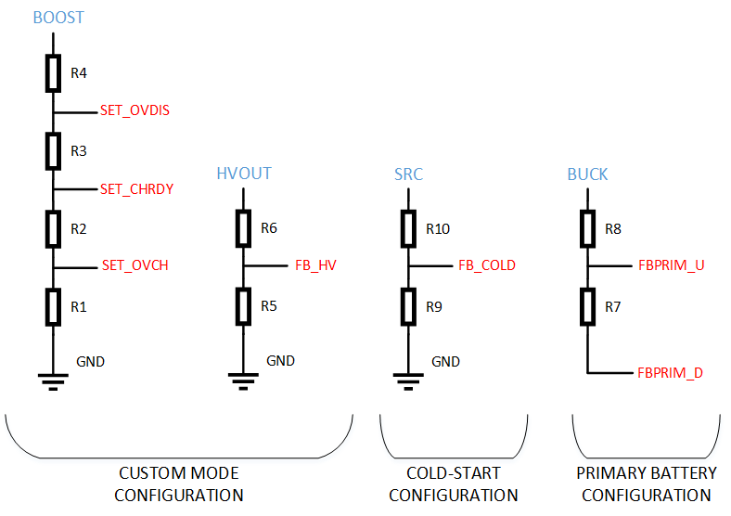
 | Results | R1 [MΩ] | 13.33 | See RT min./max.
 |  | R2 [MΩ] | 1.67
 |  | R3 [MΩ] | 12.27
 |  | R4 [MΩ] | 32.73
 |  | R5 [MΩ] | 5.56 | See RV min./max.
 |  | R6 [MΩ] | 4.44

 |  | Parameter | Value | Min. | Max.
Custom mode from RESISTORS values | STEP 1 | R1 [MΩ] | 13.33 | See RT min./max.
 |  | R2 [MΩ] | 1.67
 |  | R3 [MΩ] | 12.27
 |  | R4 [MΩ] | 32.73
 |  | R5 [MΩ] | 3.33 | See RV min./max.
 |  | R6 [MΩ] | 6.67
 |  | RT [MΩ] | 60.00 | 1 MΩ | 100 MΩ
 |  | RV [MΩ] | 10.00 | 1 MΩ | 40 MΩ

 | Results | VOVDIS [V] | 2.20 | 2.20 V | 4.40 V
 |  | VCHRDY [V] | 4.00 | VOVDIS + 0.05 V | VOVCH - 0.05 V
 |  | VOVCH [V] | 4.50 | VCHRDY + 0.05 V | 4.50 V
 |  | VHV [V] | 3.00 | 1.80 V | VOVDIS - 0.3 V

SOURCE LEVEL CONFIGURATION (AVAILABLE FOR: AEM00940 and AEM00941)

 |  | Parameter | Value | Min. | Max. | Description/ Comment
SRC_LVL_U SRC_LVL_D | STEP 1 | Targeted VSRC_REG [V] | 0.74 | 0.05 V | 4.50 V | Define the target source voltage

 | STEP 2 | RS [kΩ] | 450.00 | 100 kΩ | 1000 kΩ | RS = R9 + R10

 | Results | VSRC_REG [V] | 0.743 | See RS min./max. |  | The resolution of the DAC is 27.5mV * GAIN. If the result is between two values, the AEM will take the top value. Thus, for a source regulation of 0.75V, it's better to target a voltage of 0.74V instead of 0.75V. It will allow to regulate at 0.7425V instead of 0.77V.
 |  | R9 [kΩ] | 298.64
 |  | R10 [kΩ] | 151.36
 |  | GAIN | 1
 |  | SRC_LVL_RANGE[1:0] | 00

PRIMARY BATTERY CONFIGURATION (AVAILABLE FOR: AEM00940 / AEM00941 / AEM10941 / AEM20940 / AEM30940)

 |  | Parameter | Value | Min. | Max. | Description
FBPRIM_U FBPRIM_D | STEP 1 | VPRIM,MIN [V] | 2.80 | 0.60 V | 4.50 V | Define the minimal voltage level on the primary battery

 | STEP 2 | RP [kΩ] | 100.00 | 100 kΩ | 500 kΩ | RP = R7 + R8

 | Results | R7 [kΩ] | 31.82 | See RP min./max.
 |  | R8 [kΩ] | 68.18

COLD-START CONFIGURATION (AVAILABLE FOR AEM10941)

 |  | Parameter | Value | Min. | Max. | Description
FBCOLD | STEP 1 | VCS [V] | 0.55 | 0.50 V | 4.00 V | Define the cold-start voltage required

 | STEP 2 | RC [MΩ] | 8.00 | 100 kΩ | 10 MΩ | RC = R9 + R10

 | Results | R9 [MΩ] | 5.53 | See RC min./max.
 |  | R10 [MΩ] | 2.47

